Sheet1
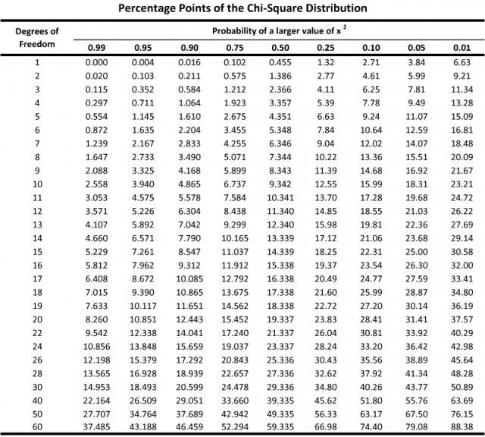
Credit Rating / Default Outcome
Credit Rating | No Default | Technical Default | Restructured | Partial Default | Full Default | Total
AAA | 56 | 2 | 1 | 1 | 0 | 60
AA | 49 | 4 | 3 | 2 | 2 | 60
BBB | 38 | 6 | 7 | 5 | 4 | 60
BB & Below | 20 | 6 | 9 | 8 | 17 | 60
Total | 163 | 18 | 20 | 16 | 23 | 240

Total Expected Value
Credit Rating | No Default | Technical Default | Restructured | Partial Default | Full Default | Total
AAA | 40.75 | 4.5 | 5 | 4 | 5.75 | 60
AA | 40.75 | 4.5 | 5 | 4 | 5.75 | 60
BBB | 40.75 | 4.5 | 5 | 4 | 5.75 | 60
BB & Below | 40.75 | 4.5 | 5 | 4 | 5.75 | 60
Total | 163 | 18 | 20 | 16 | 23 | 240

Solving
Observed Value | Expected Value | (O-E) | (O-E)² | (O-E)²/E
56.00 | 40.75 | 15.25 | 232.56 | 5.71
49.00 | 40.75 | 8.25 | 68.06 | 1.67
38.00 | 40.75 | -2.75 | 7.56 | 0.19
20.00 | 40.75 | -20.75 | 430.56 | 10.57
2.00 | 4.50 | -2.50 | 6.25 | 1.39
4.00 | 4.50 | -0.50 | 0.25 | 0.06
6.00 | 4.50 | 1.50 | 2.25 | 0.50
6.00 | 4.50 | 1.50 | 2.25 | 0.50
1.00 | 5.00 | -4.00 | 16.00 | 3.20
3.00 | 5.00 | -2.00 | 4.00 | 0.80
7.00 | 5.00 | 2.00 | 4.00 | 0.80
9.00 | 5.00 | 4.00 | 16.00 | 3.20
1.00 | 4.00 | -3.00 | 9.00 | 2.25
2.00 | 4.00 | -2.00 | 4.00 | 1.00
5.00 | 4.00 | 1.00 | 1.00 | 0.25
8.00 | 4.00 | 4.00 | 16.00 | 4.00
0.00 | 5.75 | -5.75 | 33.06 | 5.75
2.00 | 5.75 | -3.75 | 14.06 | 2.45
4.00 | 5.75 | -1.75 | 3.06 | 0.53
17.00 | 5.75 | 11.25 | 126.56 | 22.01
 |  |  | Sum of ((O-E)^2)/E | 66.81
Degree of Freedom : |  |  | (4-1)*(5-1)= | 12
p= 0.05

Calculated Value | > | Table Value | 66.81 | 21.03
We Reject the Null Hypothesis
There is a relationship between Credit Ratings & Default Outcomes

